US - SNEAKERS
 |  |  |  | US Golf Club Man

 | CODE | COLOR | ASSORTMENTS | PAIRS X BOX | BOX | QTY | RETAIL | NOTE
MAN
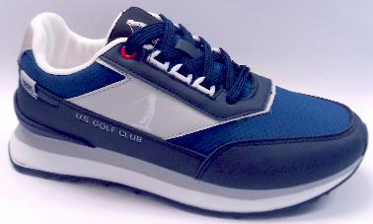 | US 4727 | NAVY | 40/45 | 10 | 14 | 140 | 65.00 €
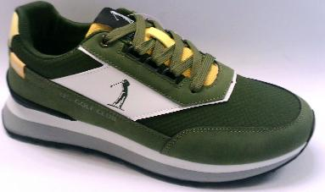 |  | GREEN |  | 10 | 15 | 150
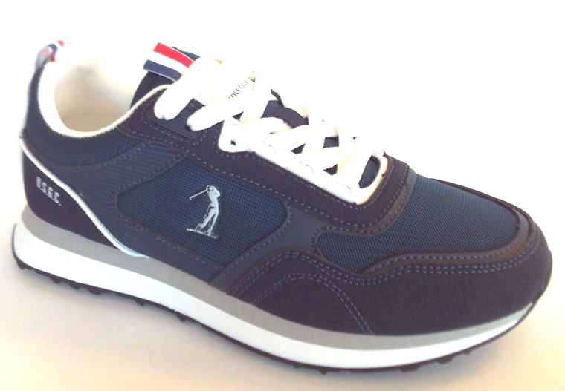 | US 4641 | NAVY | 40/45 | 10 | 11 | 110 | 69.00 €
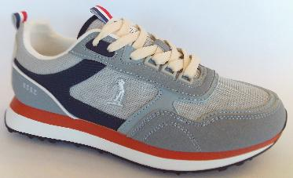 |  | GREY |  | 10 | 8 | 80 | 69.00 €
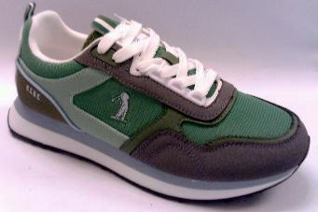 |  | GREEN |  | 10 | 14 | 140 | 69.00 €
 | US4642 | BEIGE | 40/45 | 10 | 17 | 170 | 69.00 €
 |  | WHITE/BLACK |  | 10 | 13 | 130
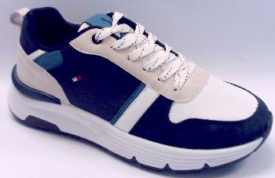 | US 4643 | WHIT/NAVY | 40/45 | 10 | 11 | 110 | 69.00 €
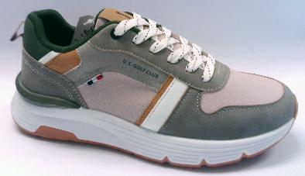 |  | MULTY |  | 10 | 16 | 160
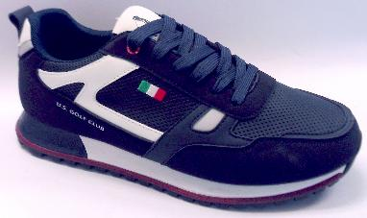 | W26 133 US 4520 | NAVY | 40/45 | 10 | 9 | 90 | 69.00 €
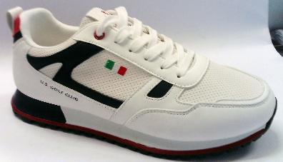 |  | WHITE |  | 10 | 6 | 60
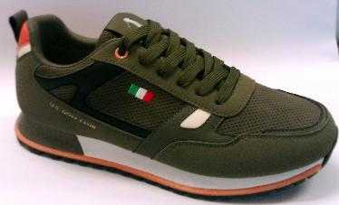 |  | MILITARY |  | 10 | 5 | 50
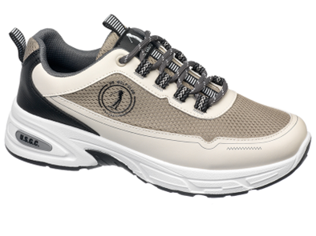 | US 4531 | BEIGE | 40/45 | 10 | 1 | 10 | 69.00 €
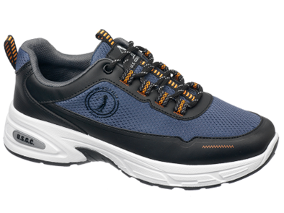 |  | NAVY |  | 10 | 2 | 20
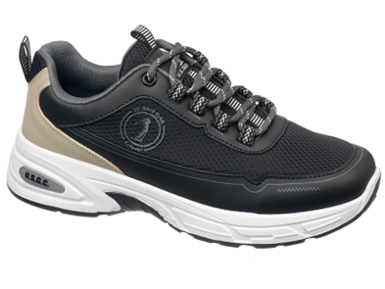 |  | BLACK |  | 10 | 2 | 20
 | US 6365 | BROWN | 40/45 | 10 | 3 | 30 | 75.00 €
 | US 6366 | BLACK | 40/45 | 10 | 25 | 250 | 75.00 €
 |  |  |  | TOTAL PAIRS: |  | 1720

Ass: 1/40 2/41 3/42 3/43 2/44 1/45

